Pictures of Decorations
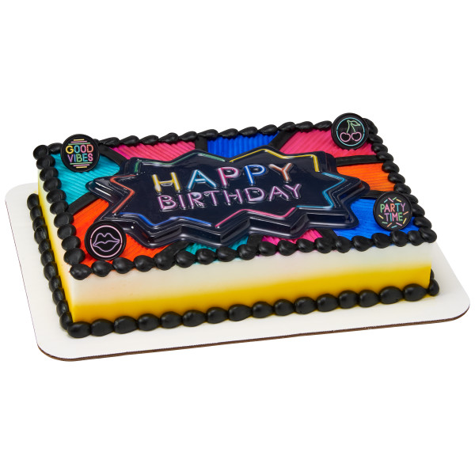
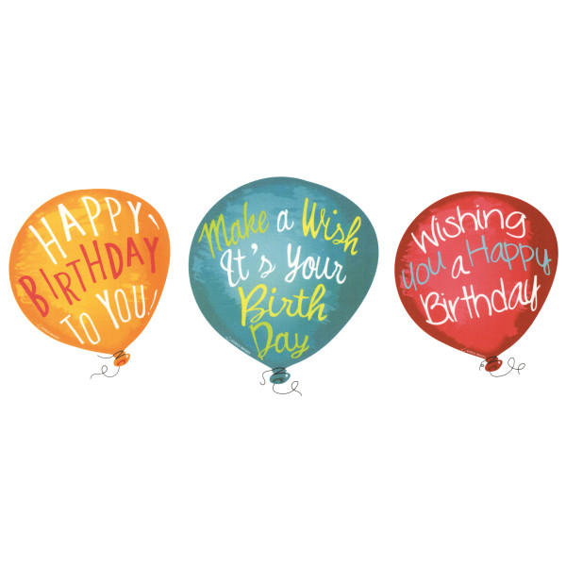

#3. Confetti Party 48674
$17.10
#1 Very Happy Birthday 48820
$16.20
#2. Balloon Wishes 49270
$16.20

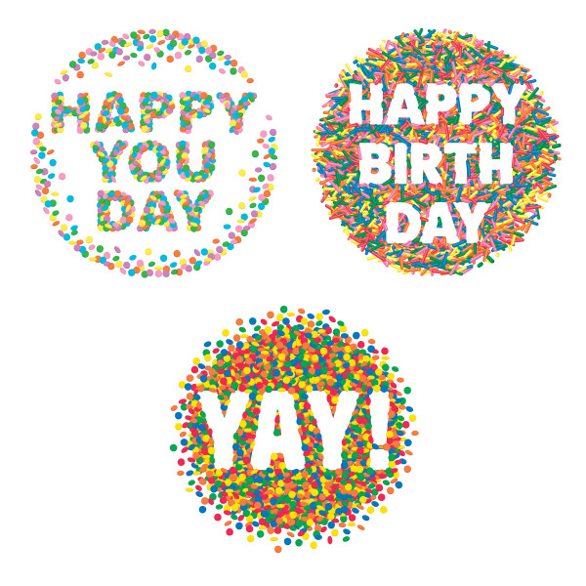

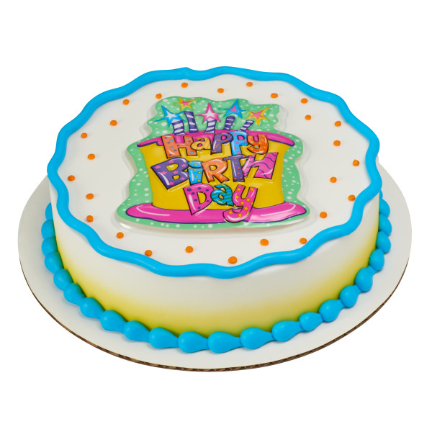

#5. Happy Birthday Cake Pop Top 37982
$6.52
#6. Neon Happy Birthday Pop Top 23688
$11.25
#4. Party Brights 50788
$17.55

